Landing Page
Back to Index
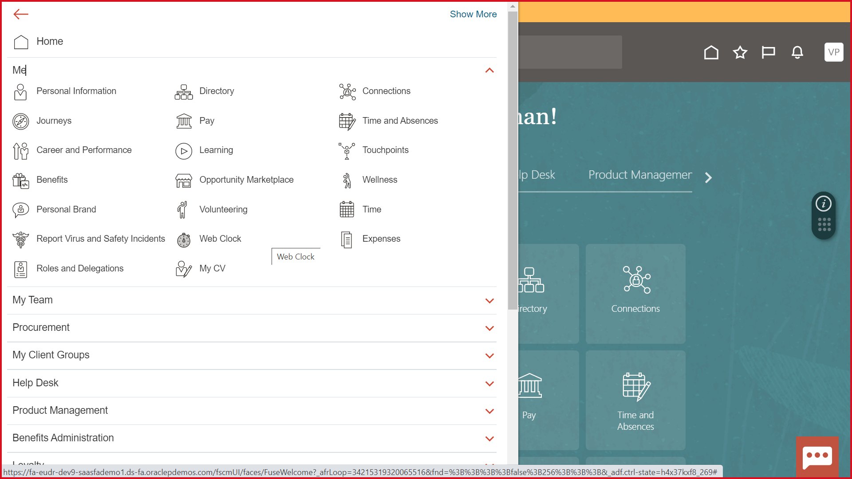

Aspire

Aspire Homepage
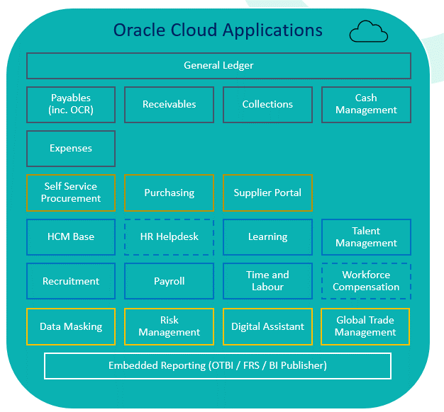
Back to Index | Level 0

P2P
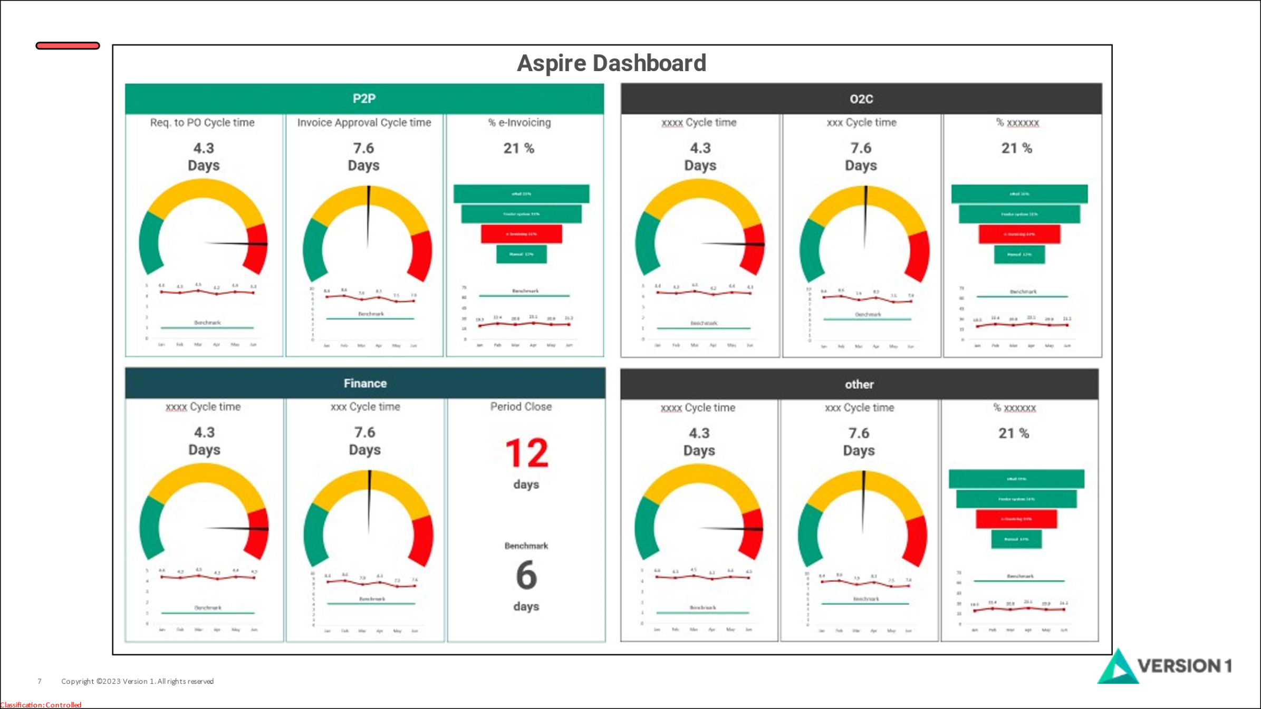
Back to Index

ORC
Back to Index |  |  |  |  |  |  | Level 1
 |  |  |  |  |  |  | Column C
Parameters

Legal Entity | All | Avg. Time to Hire |  |  | Turn Over Rate |  |  | Recruiting Closure Rate |  |  | Sourcing channel Efficiency
Business Unit | All
Department | All | 25 | Days |  | 70% |  |  | 80% | Reqs |  | Avg Cost Per Hire
Location | All
Recruitment Type | Professional
Job Category | All |  | Requisitions Filled |  |  |  |  |  | Offer Metric

75%
Accepted
 |  |  |  | 90% |  |  |  |  | 25%
 |  |  |  |  |  | 85% |  |  |  | Extended
 |  |  | 75%
 |  | 60 |  |  | 50%

Closure Rate
 | By Month/year
Requisition Opened | Jan | 300
Requisition closed | Jan | 200
 |  | 100 |  | By Hiring Team | By Department | By BU | By LE
 |  |  | Top Performers | John Solo | Legal services | BCC BU

Recruiter Performance

Recruiter Name | All

